Sheet1
Plant | PIR No | Material Code | Material Desc | Vendor Code | Vendor Name | Process Group | Process Group Desc
2100 | 5300145651 | 40037767 | FDM313 MOUNTING PLATE AC1 | 50001932 | LOCAL BASIC PTE LTD | CA
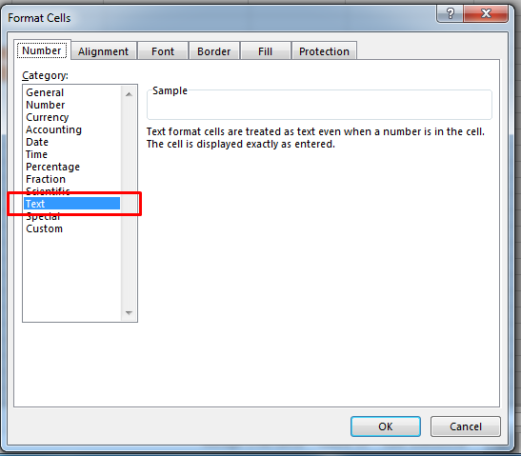

Do Not Change or delete the header

change all cell into text

Do Not Change the sheet name

